Introduction
Data Quality Assurance
Procedures for
Krypton POS

Introduction
As part of POS product development process, data quality assurance must be accurate, easy, and fast.

Objective
To do data validation whenever they are a release of new build of Krypton POS.

Target Audience
TS Team

Dr. 10 Aala Compound, Km. 3
MacArthur Highway, Matina, Davao City
298-7364; 291-5025
posbang.com

Procedures
Data Quality Assurance
Procedures for
Krypton POS

1. Open KryptonPOS_DataTestingScenarios.xlsx files and Krypton POS software.

2. Replicate each scenario in the 'Testing Scenarios' worksheet in the excel file to the Krypton POS software. Compare each figures in the Excel and the Krypton POS if they will match.

NOTE: Make sure those item prices are right.

3. If the figures in the excel file and in the POS match in a case scenario then, check the checkbox corresponds to that scenario in the 'Testing Scenarios' worksheet. If not, then leave it uncheck.

4. If you leave a case scenario unchecked then, make a screenshot of that figures errors and save it as KPOSdata_errornumber.png files.
And make a folder and name it as KPOSdataerrors_no.build_date.

NOTE: Make sure this folder is uploaded in OneDrive.

5. If those all scenarios are checked, then the Krypton POS build/version is passed in Data Quality Assurance. If not, then that build/version were not passed.

298-7364; 291-5025

Dr. 10 Aala Compound, Km. 3
MacArthur Highway, Matina, Davao City

posbang.com

Math Formula
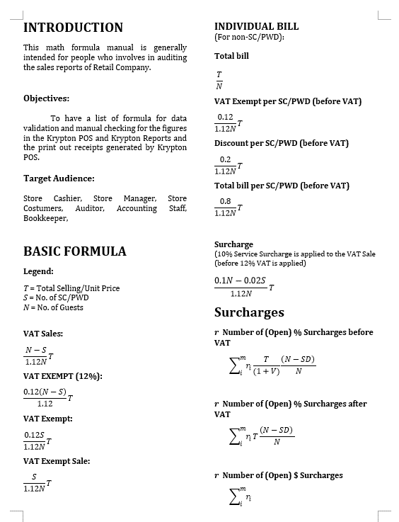
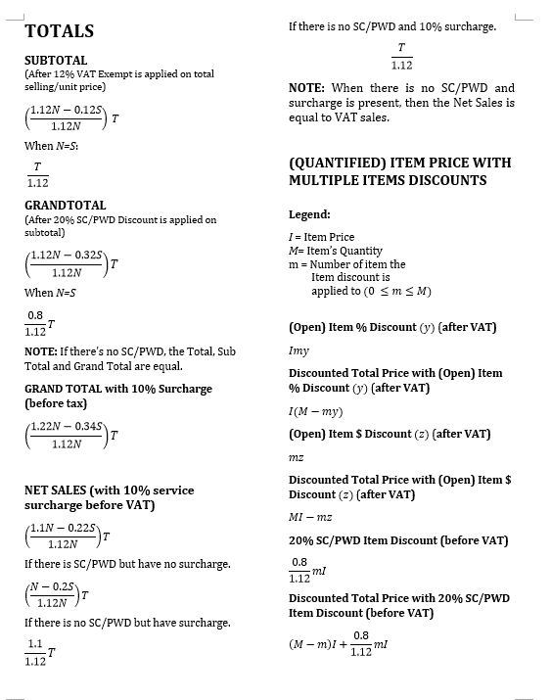
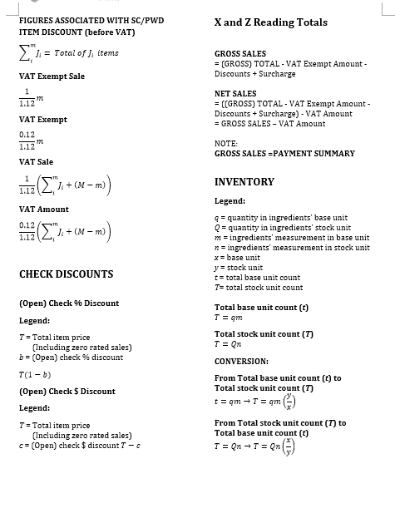
KRYPTON POS

With 12% VAT,
20% SC/PWD DISCOUNTS
10% Service Surcharge
MATH FORMULA

Prepared By:
James David D. Matoy
10-11-2018

